Cover
 |  | 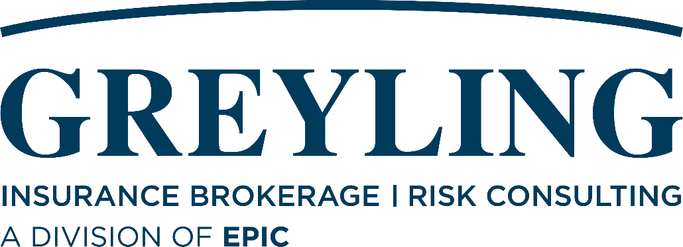
 |  |  | LJA Engineering, Inc.

 |  |  | Renewal Proposal

 |  |  | Policy Period
 |  |  | 8/1/2023-8/1/2024

 |  |  |  | Client Executive: Kent Collier Broker - Professional Liability: Jonathon Post Broker - Property & Casualty: Kristen Walker Date: 06/27/2023

 |  | Quote Received
 |  | Indication - $250K
 |  | Submitted 6/23
 |  | Indication - $250K-$300K

Admiral | 0 | Incumbent - Quoted
Markel | 0 | Incumbent - Pending
Vantage | Excess Professional Liability (3rd Layer) | Indication - $190K

Schedule Named
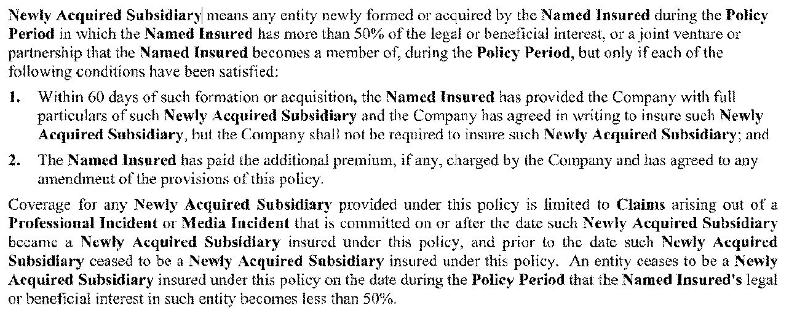
 | Name | FEIN Number | % Owned | Professional Liability | Contractors Pollution Liability | ROW PL | Commercial General Liability - Captive Member Number 800119 | Workers Compensation - AOS - Captive Member Number 800119 | Workers Compensation - CA - Captive Member Number 800119 | Business Auto - Captive Member Number 800119 | Umbrella Liability | Property | Foreign Package | Executive Liability (Directors & Officers, Employment Practices, Fiduciary Liability) | Commercial Crime | Kidnap & Ransom | Cyber Liability | Technology Liability | Aircraft (Drone) Liability | Hull & Protection and Indemnity (Watercraft Liability)
First Named Insured (FNI): | LJA Engineering, Inc. | 76-0540328 | 95% owned by ESOP | FNI | FNI | FNI | FNI | FNI | FNI | FNI | FNI | FNI | FNI | FNI | FNI | FNI | FNI | û | FNI | FNI
Operating Subsidiaries Owned by First Named Insured: | Berg Oliver Associates, Inc. | 76-0371760 | 100% Beneficial; LJA Environmental Services, LLC (100%) | but only for professional services provided after 8/8/2001 | ü | BFNI | BFNI | ü | û | BFNI | BFNI | ü | BFNI | BFNI | BFNI | BFNI | BFNI | û | ü | several entities listed on this policy even though BFNI - next year will remove schedule entities
 | R.J. Rhodes Engineering, Inc. | 69-0887666
 | Carter Associates Inc | 59-0765511
 | CBI Systems, Ltd | 73-1651298 | 100% Beneficial; 1% 4EB, LLC; LJA Engineering, Inc. (99%) | û | BFNI | BFNI | BFNI | û | û | BFNI | BFNI | ü | BFNI | BFNI | BFNI | BFNI | BFNI | FNI | û
 | Five Points Design Group, Inc. | 27-0709474 | 100% | BFNI | BFNI | BFNI | BFNI | û | û | BFNI | BFNI | û | BFNI | BFNI | BFNI | BFNI | BFNI | û | û

 | Horizon Environmental Services, Inc. | 74-2480982 | 100% | but only for professional services provided after 9/1/1994 | ü | BFNI | BFNI | ü | û | BFNI | BFNI | ü | BFNI | BFNI | BFNI | BFNI | BFNI | û | ü
 | KDM Acquisition Services, Inc. | 46-0258818 | 100% | but only for Professional Services provided after 05/06/2009 | BFNI | included on policy with retro date of 9/1/22 | BFNI | û | û | BFNI | BFNI | ü | BFNI | BFNI | BFNI | BFNI | BFNI | û | û
 | LJA Builds, Inc. | 83-2030025 | 100% | û | ü | BFNI | BFNI | û | û | BFNI | BFNI | ü | BFNI | BFNI | BFNI | BFNI | BFNI | û | û
 | LJA Energy, Inc. | 86-3206334 | 100% | ü | BFNI | BFNI | BFNI | ü | û | BFNI | BFNI | ü | BFNI | BFNI | BFNI | BFNI | BFNI | û | ü
 | LJA Environmental Services, LLC | 82-3632457 | Incumbent - Quoted | BFNI | BFNI | BFNI | BFNI | ü | û | BFNI | BFNI | ü | BFNI | BFNI | BFNI | BFNI | BFNI | û | û
 | LJA Greece, Ltd. | LJA Greece SM LTD: 80-1270061 | 100% | BFNI | BFNI | BFNI | BFNI | û | û | BFNI | BFNI | û | BFNI | BFNI | BFNI | BFNI | BFNI | û | û
 | LJA Infrastructure, Inc. | 20-1519048 | 100% | BFNI | ü | BFNI | BFNI | ü | û | BFNI | BFNI | ü | BFNI | BFNI | BFNI | BFNI | BFNI | û | ü
 | LJA Investments, Inc. | 84-3949015 | Quote Received | BFNI | BFNI | BFNI | BFNI | û | û | BFNI | BFNI | û | BFNI | BFNI | BFNI | BFNI | BFNI | û | û
 | LJA Program Management, LLC | 45-4445384 | Indication - $250K | but only for services performed after 4/18/2012 | BFNI | BFNI | BFNI | ü | û | BFNI | BFNI | ü | BFNI | BFNI | BFNI | BFNI | BFNI | û | û
 | LJA Program Management, LLC (fka Ramos Consulting, LLC) 04/18/2012 Retro | 45-4445384 | Submitted 6/23 | ü | BFNI | BFNI | BFNI | û | û | BFNI | BFNI | û | BFNI | BFNI | BFNI | BFNI | BFNI | û | û
 | LJA Rail, LLC | 81-2474216 | Indication - $250K-$300K | but only for professional services provided after 4/5/16 | BFNI | BFNI | BFNI | ü | û | BFNI | BFNI | ü | BFNI | BFNI | BFNI | BFNI | BFNI | û | ü
 | LJA Surveying, Inc. | 82-3417697 | 100% | but only for Professional Services Provided after 01/01/2018 | ü | BFNI | BFNI | ü | û | BFNI | BFNI | ü | BFNI | BFNI | BFNI | BFNI | BFNI | û | ü
 | LJA Telecom Construction, Inc. | 84-4829277 | 100% | BFNI | BFNI | BFNI | BFNI | û | û | BFNI | BFNI | û | BFNI | BFNI | BFNI | BFNI | BFNI | û | û
 | Admiral | Carter Associates Inc | Incumbent - Quoted | ü | BFNI | BFNI | BFNI | ü | û | BFNI | BFNI | ü | BFNI | BFNI | BFNI | BFNI | BFNI | û | û
 | Markel | R.J. Rhodes Engineering, Inc. | Incumbent - Pending | û | BFNI | BFNI | BFNI | û | û | BFNI | BFNI | ü | BFNI | BFNI | BFNI | BFNI | BFNI | FNI | û
 | Vantage | Excess Professional Liability (3rd Layer) | Indication - $190K | but only for Professional Services Provided after 03/26/2003 | BFNI | BFNI | BFNI | ü | û | BFNI | BFNI | ü | BFNI | BFNI | BFNI | BFNI | BFNI | û | ü
 | Peanut Express Terminal Services, Inc. |  | 100% Beneficial; LJA Investments, Inc. (100%) | BFNI | BFNI | BFNI | BFNI | û | û | BFNI | BFNI | û | BFNI | BFNI | BFNI | BFNI | BFNI | û | û
Active Affiliates: | Jacobs Engineering Group | N/A | N/A | but only with respect to work performed on scheduled projects on behalf of the Named Insured. | û | û | û | û | û | û | û | û | û | û | û | û | û | û | û | û
 | S&ME, Inc. | N/A | N/A | but only with respect to work performed on scheduled projects on behalf of the Named Insured. | û | û | û | û | û | û | û | û | û | û | û | û | û | û | û | û
Operating Subsidiaries Owned by First Named Insured: | LJA Infrastructure, Inc. (formerly Developro Inc) |  |  | ü | BFNI | BFNI | BFNI | û | û | BFNI | BFNI | ü | BFNI | BFNI | BFNI | BFNI | BFNI | û | û | BFNI
 | LJA Rail, Inc |  |  | BFNI | BFNI | BFNI | BFNI | û | û | BFNI | BFNI | û | BFNI | BFNI | BFNI | BFNI | BFNI | û | û | BFNI
 | Damian and Associates |  |  | BFNI | BFNI | BFNI | BFNI | û | û | BFNI | BFNI | û | BFNI | BFNI | BFNI | BFNI | BFNI | û | û | BFNI
 | Dartez, Carroll & Blackman, Inc. |  |  | but only for services performed after 1/1/1950 (policy shows 1/1/1942) | BFNI | BFNI | BFNI | û | û | BFNI | BFNI | û | BFNI | BFNI | BFNI | BFNI | BFNI | û | û | BFNI
 | David C. Baldwin, Inc. dba DCBA Landscape Architecture | 75-1974286 | 100% | but only for Professional Services provided after 8/9/1986 | BFNI | BFNI | BFNI | û | û | BFNI | BFNI | ü | BFNI | BFNI | BFNI | BFNI | BFNI | û | û | BFNI
 | DBA RVE UBC |  |  | BFNI | BFNI | BFNI | BFNI | û | û | BFNI | BFNI | û | BFNI | BFNI | BFNI | BFNI | BFNI | û | û | BFNI
 | Design Support Services Inc |  |  | BFNI | BFNI | BFNI | BFNI | û | û | BFNI | BFNI | ü | BFNI | BFNI | BFNI | BFNI | BFNI | û | û | BFNI
 | Design Support Solutions, Inc. | 76-0522466 | 100% | but only for professional services provided after 1/12/2012 | BFNI | BFNI | BFNI | û | û | BFNI | BFNI | ü | BFNI | BFNI | BFNI | BFNI | BFNI | û | û | BFNI
 | Frank J. Dillard & Associates |  |  | but only for professional services provided after 8/12/1982 | BFNI | BFNI | BFNI | û | û | BFNI | BFNI | û | BFNI | BFNI | BFNI | BFNI | BFNI | û | û | BFNI
 | Frank J. Dillard & Associates, Inc. | 74-2021661 | 100% | BFNI | BFNI | BFNI | BFNI | û | û | BFNI | BFNI | ü | BFNI | BFNI | BFNI | BFNI | BFNI | û | û | BFNI
 | Garrod & Associates, Inc. |  |  | but only for services performed after 1/1/1949 (policy shows 1/1/1942) | BFNI | BFNI | BFNI | û | û | BFNI | BFNI | û | BFNI | BFNI | BFNI | BFNI | BFNI | û | û | BFNI
 | Garrod & Dartez, Inc. |  |  | but only for services performed after 1/1/1947 (policy shows 1/1/1942) | BFNI | BFNI | BFNI | û | û | BFNI | BFNI | û | BFNI | BFNI | BFNI | BFNI | BFNI | û | û | BFNI
 | Generations Next Telecommunications, Inc. | 75-2941157 | 100% | BFNI | BFNI | BFNI | BFNI | û | û | BFNI | BFNI | ü | BFNI | BFNI | BFNI | BFNI | BFNI | û | û | BFNI
 | GXT, Inc. 10/28/2021 Retro |  |  | ü | BFNI | BFNI | BFNI | û | û | BFNI | BFNI | ü | BFNI | BFNI | BFNI | BFNI | BFNI | û | û | BFNI
 | GXT, LTD. | 75-6606808 | ? | BFNI | BFNI | BFNI | BFNI | û | û | BFNI | BFNI | û | BFNI | BFNI | BFNI | BFNI | BFNI | û | û | BFNI
 | GXT, Ltd. ; GenerationNext Telecommunications, Inc 09/01/2001 Retro |  |  | ü | BFNI | BFNI | BFNI | û | û | BFNI | BFNI | û | BFNI | BFNI | BFNI | BFNI | BFNI | û | û | BFNI
 | L&C Limited, LP |  |  | û | BFNI | BFNI | BFNI | û | û | BFNI | BFNI | û | BFNI | BFNI | BFNI | BFNI | BFNI | û | û | BFNI
 | L.V. Norris Consulting Engineers |  |  | but only for services performed after 1/1/1946 (policy shows 1/1/1942) | BFNI | BFNI | BFNI | û | û | BFNI | BFNI | û | BFNI | BFNI | BFNI | BFNI | BFNI | û | û | BFNI
 | L.V. Norris Engineer, Inc. |  |  | but only for services performed after 1/1/1944 (policy shows 1/1/1942) | BFNI | BFNI | BFNI | û | û | BFNI | BFNI | û | BFNI | BFNI | BFNI | BFNI | BFNI | û | û | BFNI
 | L.V. Norris Engineers, Inc. |  |  | but only for services performed after 1/1/1945 (policy shows 1/1/1942) | BFNI | BFNI | BFNI | û | û | BFNI | BFNI | û | BFNI | BFNI | BFNI | BFNI | BFNI | û | û | BFNI
 | LJA Engineering & Surveying Inc. 401k | N/A | N/A | BFNI | BFNI | BFNI | BFNI | û | û | BFNI | BFNI | ü | BFNI | BFNI | BFNI | BFNI | BFNI | û | û | BFNI
 | LJA Engineering & Surveying, Inc. |  |  | but only for professional services provided after 6/13/1997 | BFNI | BFNI | BFNI | û | û | BFNI | BFNI | ü | BFNI | BFNI | BFNI | BFNI | BFNI | û | û | BFNI
 | LJA Engineering & Surveying, Inc. ESOP (ESOP#1) | N/A | N/A | BFNI | BFNI | BFNI | BFNI | û | û | BFNI | BFNI | û | BFNI | BFNI | BFNI | BFNI | BFNI | û | û | BFNI
 | LJA Engineering ESOP (Formerly LJA Engineering & Surveying Inc Profit Sharing Plan (ESOP#2)) | N/A | N/A | BFNI | BFNI | BFNI | BFNI | û | û | BFNI | BFNI | ü | BFNI | BFNI | BFNI | BFNI | BFNI | û | û | BFNI
 | LJA Engineering LLC |  |  | BFNI | BFNI | BFNI | BFNI | û | û | BFNI | BFNI | û | BFNI | BFNI | BFNI | BFNI | BFNI | û | û | BFNI
 | Norris & Elder Engineers, Inc. |  |  | but only for services performed after 1/1/1943 (policy shows 1/1/1942) | BFNI | BFNI | BFNI | û | û | BFNI | BFNI | û | BFNI | BFNI | BFNI | BFNI | BFNI | û | û | BFNI
 | Norris & Garrod Engineers, Inc. |  |  | but only for services performed after 1/1/1948 (policy shows 1/1/1942) | BFNI | BFNI | BFNI | û | û | BFNI | BFNI | û | BFNI | BFNI | BFNI | BFNI | BFNI | û | û | BFNI
 | Orange Rail, Inc. | 85-1136716 | 100% Beneficial | BFNI | BFNI | BFNI | BFNI | û | û | BFNI | BFNI | û | BFNI | BFNI | BFNI | BFNI | BFNI | û | û | BFNI
 | Papalote Land & Cattle Company |  |  | BFNI | BFNI | BFNI | BFNI | û | û | BFNI | BFNI | û | BFNI | BFNI | BFNI | BFNI | BFNI | û | û | BFNI
 | Precision Aerial Compliance Solutions, LLC | 81-2536773 | 100% | but only for services performed after 7/10/2017 | BFNI | BFNI | BFNI | û | û | BFNI | BFNI | ü | BFNI | BFNI | BFNI | BFNI | BFNI | û | ü | BFNI
 | Wet & Wild Plants |  |  | û | BFNI | BFNI | BFNI | û | û | BFNI | BFNI | û | BFNI | BFNI | BFNI | BFNI | BFNI | û | û | BFNI
Scheduled Joint Ventures*:

Unscheduled Joint Ventures*:

Other:

Inactive Entities: | Alliance Engineering & Planning LLC |  | 100% - Stock purchase | Excess of Tail coverage
 | Alliance Surveying LLC
 | Alliance Alabama LLC
 | AEP Enterprises LLC
 | Alliance Engineering Planning, Landscape Architecture and Surveying | dba entity | dba entity
 | R.J. Rhodes Engineering, Inc. | 69-0887666 | 100% | but only for services performed after 2/12/1999 | BFNI | BFNI | BFNI | û | û | BFNI | BFNI | û | BFNI | BFNI | BFNI | BFNI | BFNI | û | û | BFNI
 | Carter Associates Inc | 59-0765511 | 100% | reduced limits based on retro date | BFNI | BFNI | BFNI | û | û | BFNI | BFNI | û | BFNI | BFNI | BFNI | BFNI | BFNI | û | û | BFNI
 | Innovative Land Consultants, Inc. | 26-4339456 | 100% | ü | BFNI | BFNI | BFNI | ü | û | BFNI | BFNI | ü | BFNI | BFNI | BFNI | BFNI | BFNI | û | û | BFNI
 | Carroll & Blackman Inc. |  |  | but only for services performed after 1/1/1942 | BFNI | BFNI | BFNI | û | û | BFNI | BFNI | ü | BFNI | BFNI | BFNI | BFNI | BFNI | û | û | BFNI
 | Coym Rehmet & Gutierrez Management L.L.C. | 20-3767787 | 100% | BFNI | BFNI | BFNI | BFNI | û | û | BFNI | BFNI | ü | BFNI | BFNI | BFNI | BFNI | BFNI | û | û | BFNI
 | Coym Rehmet & Gutierrez, Inc. | 74-1995986 | 100% | BFNI | BFNI | BFNI | BFNI | û | û | BFNI | BFNI | ü | BFNI | BFNI | BFNI | BFNI | BFNI | û | û | BFNI
 | Coym, Rehmet & Guiterrez Engineering, L.P. | 20-3767651 | 100% Beneficial | but only for professional services provided after 1/1/1976 | BFNI | BFNI | BFNI | û | û | BFNI | BFNI | ü | BFNI | BFNI | BFNI | BFNI | BFNI | û | û | BFNI
 | 4EB, L.L.C. - inactive | 4/-1267173 | 100% | û | BFNI | BFNI | BFNI | û | û | BFNI | BFNI | ü | BFNI | BFNI | BFNI | BFNI | BFNI | û | û | BFNI
 | Creations Printing, LLC | 47-4324346 | 80% | û | BFNI | BFNI | BFNI | û | û | BFNI | BFNI | ü | BFNI | BFNI | BFNI | BFNI | BFNI | û | û | BFNI
 | Grounds Anderson, LLC | 20-0940035 | 100% | but only for professional services provided after 4/16/2004 | BFNI | BFNI | BFNI | û | û | BFNI | BFNI | ü | BFNI | BFNI | BFNI | BFNI | BFNI | û | û | BFNI
 | L&C General, Inc. | 20-0519275 | 100% | û | BFNI | BFNI | BFNI | û | û | BFNI | BFNI | ü | BFNI | BFNI | BFNI | BFNI | BFNI | û | û | BFNI
 | Land Surveying, Inc. | N/A | Asset Purchase | BFNI | BFNI | BFNI | BFNI | û | û | BFNI | BFNI | û | BFNI | BFNI | BFNI | BFNI | BFNI | û | û | BFNI
 | LEAP Engineering, LLC | 76-0649040 | Asset Purchase | but only for professional services provided after 2/15/2012 | BFNI | BFNI | BFNI | û | û | BFNI | BFNI | ü | BFNI | BFNI | BFNI | BFNI | BFNI | û | û | BFNI
 | Longaro & Clarke, L.P. | 74-2709697 | 100% Beneficial | but only for professional services provided after 9/1/1994 | BFNI | BFNI | BFNI | û | û | BFNI | BFNI | ü | BFNI | BFNI | BFNI | BFNI | BFNI | û | û | BFNI
 | Northwest Technical Services, LLC |  | 100% | û | BFNI | BFNI | BFNI | û | û | BFNI | BFNI | ü | BFNI | BFNI | BFNI | BFNI | BFNI | û | û | BFNI
 | Northwest Technical Solutions, LLC | 46-4345171 | 100% | û | BFNI | BFNI | BFNI | û | û | BFNI | BFNI | ü | BFNI | BFNI | BFNI | BFNI | BFNI | û | û | BFNI
 | Ramos Consulting, LLC | 45-4445384 | 100% | but only for professional services provided after 04/18/2012 | BFNI | BFNI | BFNI | û | û | BFNI | BFNI | ü | BFNI | BFNI | BFNI | BFNI | BFNI | û | û | BFNI
 | Red & Black Engineering Group, LLC |  |  | ü | BFNI | BFNI | BFNI | û | û | BFNI | BFNI | û | BFNI | BFNI | BFNI | BFNI | BFNI | û | û | BFNI
 | Russell-Veteto Engineering, Inc. dba RVE, Inc. | 74-2531688 | 100% | but only for professional services provided after 1/1/2000 | BFNI | BFNI | BFNI | û | û | BFNI | BFNI | ü | BFNI | BFNI | BFNI | BFNI | BFNI | û | û | BFNI
 | SeaTech Offshore, LLC | 46-5198948 | 80% | û | BFNI | BFNI | BFNI | û | û | BFNI | BFNI | ü | BFNI | BFNI | BFNI | BFNI | BFNI | û | û | BFNI
 | Surveying Measurements, Inc. |  | ? | but only for professional services provided after 9/30/1987 | BFNI | BFNI | BFNI | û | û | BFNI | BFNI | ü | BFNI | BFNI | BFNI | BFNI | BFNI | û | û | BFNI
 | Wayne Smith & Associates, Inc. dba SCL Engineering | 74-1982145 | 100% | but only for professional services provided after 9/30/1987 | BFNI | BFNI | BFNI | û | û | BFNI | BFNI | ü | BFNI | BFNI | BFNI | BFNI | BFNI | û | û | BFNI
 | Wortech Land Surveyors, Inc. | 76-0525717 | 100% | but only for professional services provided after 12/12/2000 | BFNI | BFNI | BFNI | û | û | BFNI | BFNI | ü | BFNI | BFNI | BFNI | BFNI | BFNI | û | û | BFNI
 | Broad Form Named Insured |  |  | ü | ü | ü | ü | û | û | ü | ü | û | ü | ü | ü | ü | ü | û | û | ü
Joint Ventures
*General Liability No person or organization, other than you, is an insured with respect to the conduct of any current or past partnership, joint venture or limited liability company that is not shown as a Named Insured in the Declarations.
*Professional Liability A joint venture in which the Named Assured participates as a co-venturer but only with respect to the liability imposed on the Named Assured for its participation in such joint venture
Any other Joint Venture will need to be scheduled in order for it to be fully covered by the policy

Executive Risk
Broad Form Named Insured
Subsidiary” means any entity during any time in which the Named Insured, directly or indirectly through one or more Subsidiary(ies): (a) owns interests representing more than fifty percent (50%) of the voting, appointment or designation power for the selection of a majority of the board of directors, the management committee, the general partner(s), or the members of the board of managers of such entity; or (b) has the right, pursuant to written contract or the bylaws, charter, operating agreement, stockholder rights agreement, stock purchase agreement or similar agreement or document of an organization, to elect, appoint or designate a majority of the board of directors, the management committee, the general partner(s), manager(s) of an LLC, or the board of managers of such entity.

Newly Acquired Entity
If before or during the Policy Period, the Company creates or acquires a new Subsidiary or Plan or acquires any entity by merger such that the Company is the surviving entity (collectively, a "Transaction"), then coverage under this Policy shall apply to such new organization, its Insured Persons or Plans, but only for Wrongful Acts occurring after the effective date of the Transaction. There shall be no coverage available under this Policy for any Claim made against the acquired entity, its Plans, or its Insured Persons for any Wrongful Acts committed or allegedly committed before the effective date of the Transaction. If before or during the Policy Period, an entity ceases to be a Subsidiary or Plan, coverage with respect to such entity and its Insureds shall continue until the end of the Policy Period, but only for Wrongful Acts occurring prior to the date such entity ceased to be a Subsidiary or Plan.

Foreign Package
Broad Form Named Insured
Any subsidiary, and subsidiary thereof, of yours which is a legally incorporated entity of which you own a financial interest of more than 50% of the voting stock on the effective date of the Coverage Part. The insurance afforded herein for any subsidiary not named in this Coverage Part as a named insured does not apply to injury or damage with respect to which an insured under this Coverage Part is also an insured under another policy or would be an insured under such policy but for its termination or the exhaustion of its limits of insurance.

Newly Acquired or Formed Organization
Any organization you newly acquire or form, other than a partnership, joint venture or limited liability company, and over which you maintain financial interest of more than 50% of the voting stock, will qualify as a Named Insured if there is no other similar insurance available to that organization. However:
a. Coverage under this provision is afforded only until the 180th day after you acquire or form the organization or the end of the policy period, whichever is earlier;
b. Coverage A does not apply to "bodily injury" or "property damage" that occurred before you acquired or formed the organization; and
c. Coverage B does not apply to "personal and advertising injury" arising out of an offense committed before you acquired or formed the organization.

Watercraft
Broad Form Insured

Professional Liability
Broad Form Insured

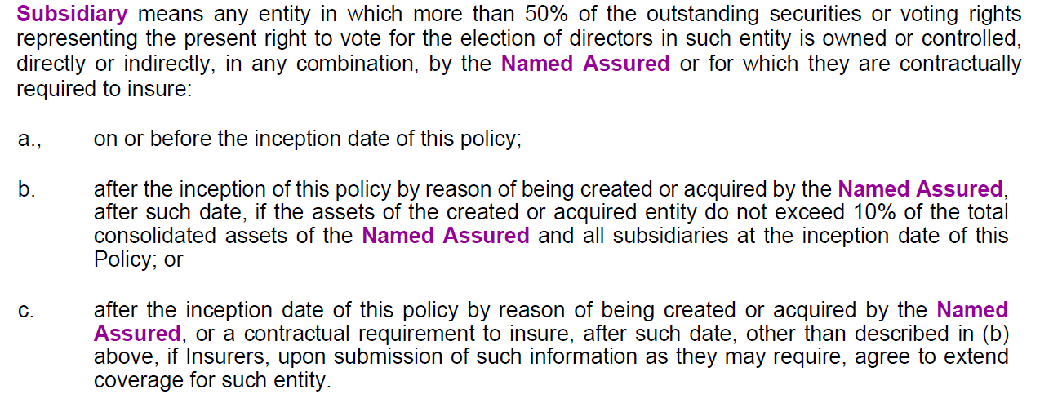
Mergers and Acquisitions (KW do you want this??)
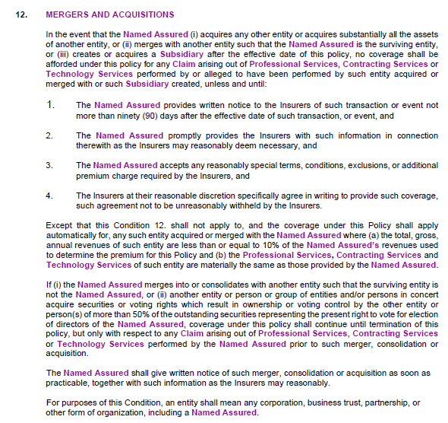
Business Auto
Broad Form Insured & Acquired
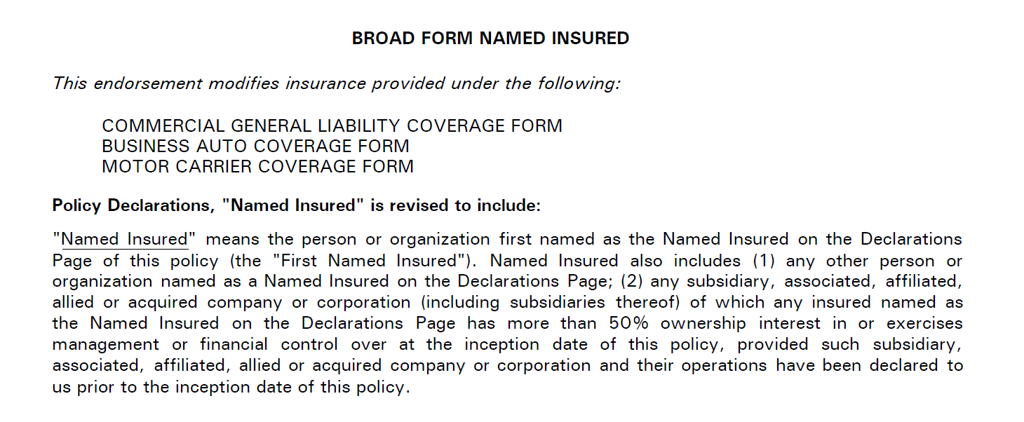

Cyber
Broad Form Insured

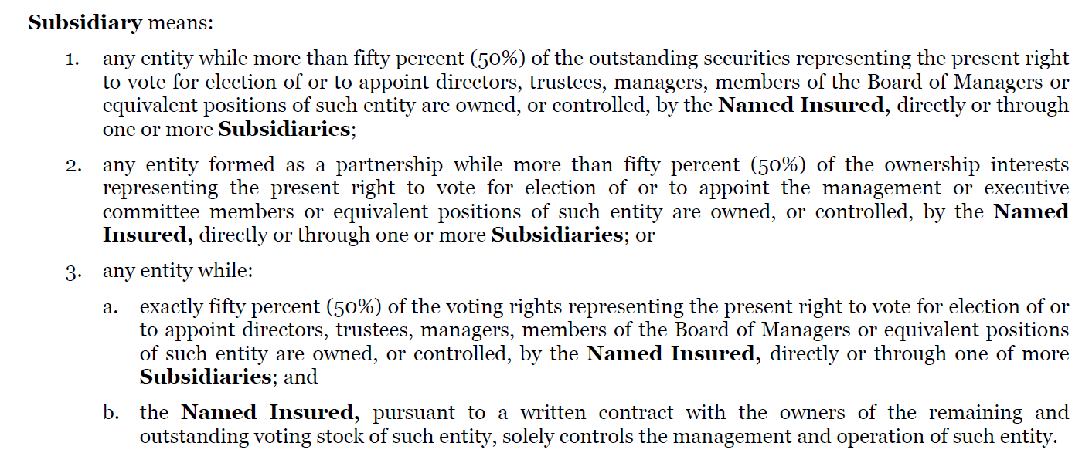

Umbrella
Broad Form Insured
Follow Form

Contractors Pollution

General Liability
Broad Form Named Insured

Newly Acquired
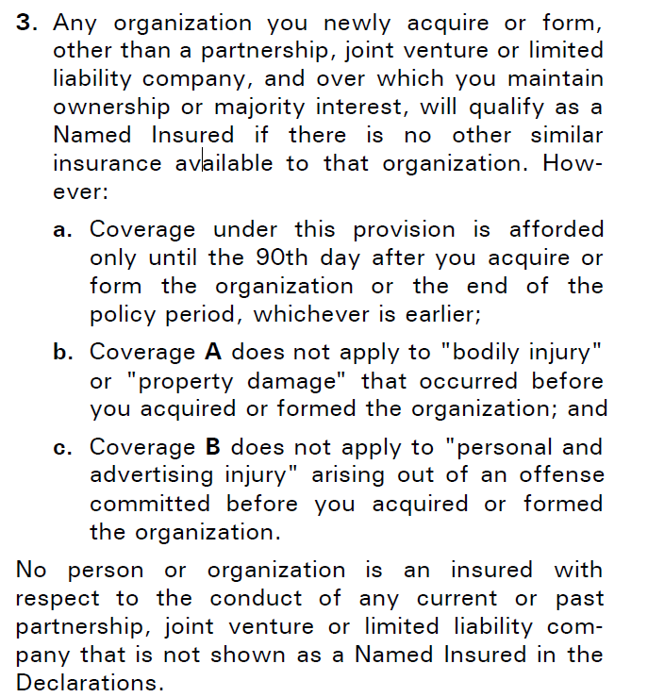

Excess Liability 1st

Property

BFNI - None
Newly Acquired
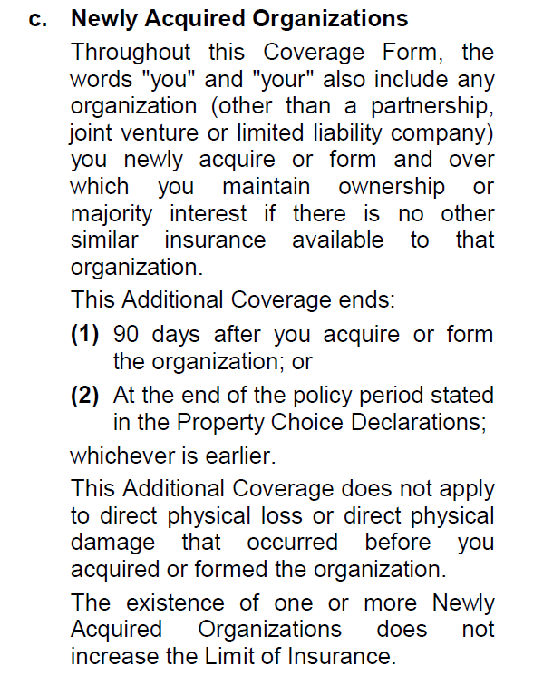
IM

BFNI - None

newly acquired - None

Crime
Broad Named Insured

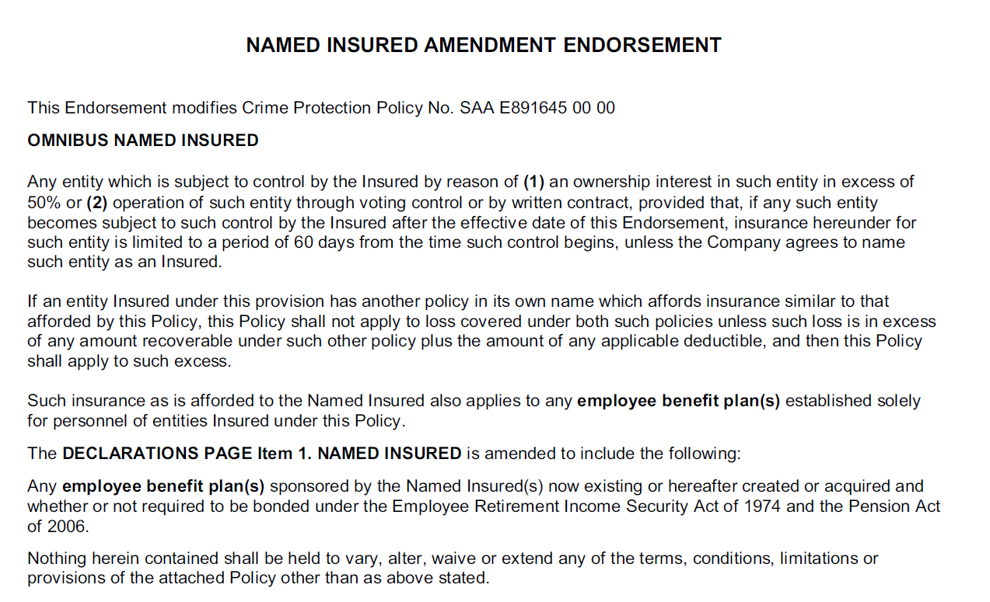
Newly Acquired
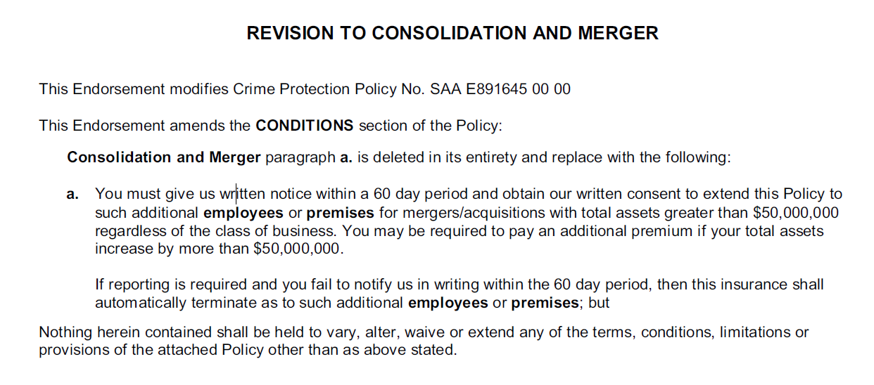

K&R
Broad Named Insured

Newly Acquired

Tech Liability

BFNI - None

Newly Acquired - None

Drone
BFNI - None

Newly Acquired
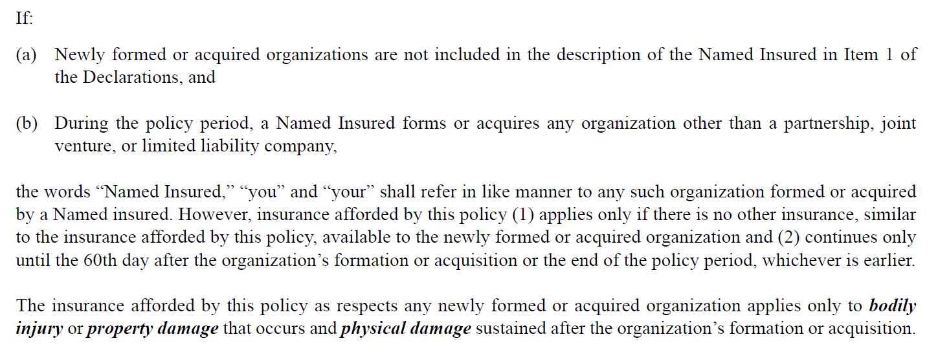

ROW
Broad Form Named Insured

Newly Acquired

Renewal Strategy
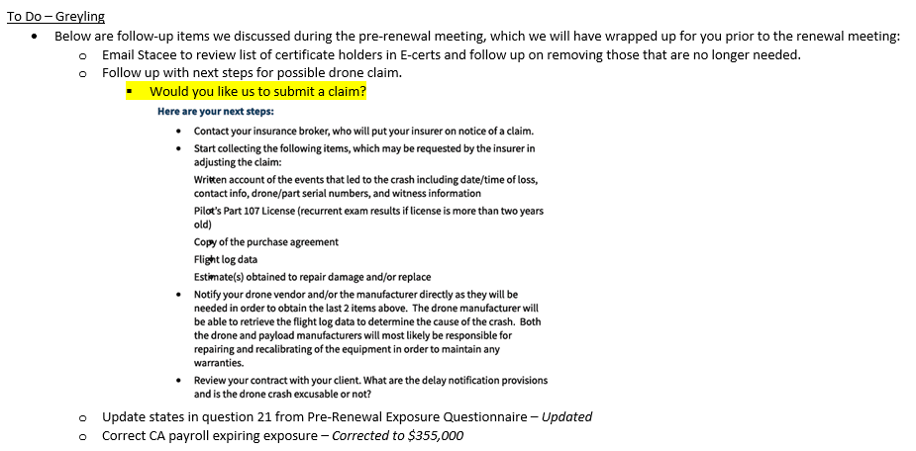
During our pre-renewal meeting held on 3/30/2023, we discussed the following strategies for LJA Engineering, Inc.'s Professional/Pollution Liability, Property/Casualty, and Executive Liability insurance renewal:

 | Option 1: Incumbent | Option 2: Hybrid | Option 3: Market
Description: | Negotiate only with the existing insurer to develop a renewal program | Negotiate early with the existing insurer based on agreed benchmarks; if benchmarks are not met go to option 3 | Approach the existing insurer and competing insurers for renewal proposals
Recommended Frequency: | Applicable to most renewals if insurance program is competitive and insurer is providing good service. | Should be used as an alternative approach between options 1 and 3 if needed to maintain competition but insured is not likely to change insurers | Once every three to five years.

After reviewing each of the alternatives, we agreed to pursue Option 3: Limited Marketing for PL (Lloyd's/US vs. Lloyd's only); Option 1: Incumbent for Auto, GL, WC; Option 3: Market for Cyber; and Option 2: Hybrid for All Other. A summary of the renewal quotes is provided in the balance of the report.

 |  |  | Incumbent - Quoted

Input
Named Insured | LJA Engineering, Inc.
Address | 3600 W Sam Houston Pkwy S STE 600 Houston, TX 77042 | Insert Insured's Main Address (Headquarters) here
Renewal Date | 2023-08-01
Expiring Policy Period | 9/1/2022-8/1/2023 | Contractors Pollution Liability | Kidnap & Ransom | Need to make sure all of the expiring premiums we are comparing to are annualized.
Renewal Policy Period | 8/1/2023-8/1/2024 | 9/1/2022-8/1/2024 | 9/1/2021-9/1/2024

Professional Liability |  |  |  | Status | Underwriting Submission Sent |  | Paragon - James Furlonge and Richard Long
Description: | PL: Third-party liability arising from the rendering or failure to render covered professional services. CPL: Pollution liability arising from contracting activities.
Expiring Policy Number | B0146LDUSA2205147
Renewal Policy Number | TBD
Insurer Expiring Program | Insurer Expiring Adjusted | Insurer Renewal Option I | Insurer Renewal Option II | Bound
Convex | Hamilton | Lloyd's | Convex | Hamilton | Lloyd's | Convex | Hamilton | Lloyd's
Writing Company Expiring Program | Writing Company Expiring Adjusted | Writing Company Renewal Option I | Writing Company Renewal Option II
Convex Insurance UK Limited - 33.34% Hamilton Insurance DAC - 33.33% Faraday Syndicate 435 - 33.33% | Convex Insurance UK Limited - 33.34% Hamilton Insurance DAC - 33.33% Faraday Syndicate 435 - 33.33% | Convex Insurance UK Limited - 33.34% Hamilton Insurance DAC - 33.33% Faraday Syndicate 435 - 33.33%
AM Best Expiring Program | AM Best Expiring Adjusted | AM Best Renewal Option I | AM Best Renewal Option II
A-: XV | A-: XIV | A: XV | A-: XV | A-: XIV | A: XV | A-: XV | A-: XIV | A: XV
Expiring Premium | Expiring Adjusted | Renewal Premium Option I | Renewal Premium Option II
$925,000 | $1,056,728 | $999,950
Blended Rate per $100 of Exposure | Blended Rate per $100 of Exposure | Blended Rate per $100 of Exposure | Blended Rate per $100 of Exposure
$0.304 | $0.304 | $0.288 | $0.000
 |  | % Change Exp. Adj. vs. Option I | % Change Exp. Adj. vs. Option II
 |  | -5.37% | -100.00%
Surplus Lines Taxes - Expiring | Surplus Lines Taxes - Exp. Adj. | Surplus Lines Taxes - Option I | Surplus Lines Taxes - Option II
4.85% | 4.85% | 4.85%
Stamping Fee - Expiring | Stamping Fee - Exp. Adj. | Stamping Fee - Option I | Stamping Fee - Option II
0.075% | 0.075% | 0.075%
Policy Fee - Expiring | Policy Fee - Exp. Adj. | Policy Fee - Option I | Policy Fee - Option II
$0.00 | $0.00 | $0.00
Total Expiring | Total Exp. Adjusted | Total Renewal Option I | Total Renewal Option II
$970,555.84 | $1,108,772.14 | $1,049,197.54 | $0.00
Commission % - Expiring | Commission % - Exp. Adj. | Commission % - Option I | Commission % - Option II
 | N/A

Exposure Base - Past 12 Month Revenue (Gross minus Direct Reimbursables)
Expiring Calculation |  | Renewal Calculation |  |  | Policy Limits |  | Self-Insured Retention
2022 Revenue | $331,197,000 | 2023 Revenue | $373,704,000 |  | Each Claim | Aggregate | Each Claim | Aggregate | Maintenance
 |  |  |  | Expiring | $5,000,000 | $5,000,000 | $500,000 | $2,000,000 | $200,000
 |  |  |  | Renewal Option I | $5,000,000 | $5,000,000 | $600,000 | $2,400,000 | $200,000
 |  |  |  | Renewal Option II
 | $26,800,000 | 2023 Direct Reimbursables | $25,958,000
Avg. minus most recent DR | $304,397,000 | Avg. minus most recent DR | $347,746,000 |  | minus DRs
 | 198303110 | % Change | 14.2% | 263730333 | 235730333 | 0.18873744844

Right of Way |  |  |  | Status | Underwriting Submission Sent |  | JenCap - Anthony Manna - due back 6/16

Contractors Pollution Liability | 9/1/2022-8/1/2024 (2 year policy) |  |  | Status | Policy Received |  | Markel - Erin Price - Policy Expires 2024

Excess Professional Liability (1st layer) |  |  |  | Status | Quotes Received |  | Allianz - Glen Mangold - due back 6/23

Excess Professional Liability (2nd layer) |  |  |  | Status | Quotes Received |  | JenCap - Anthony Manna - due back 6/23
Description: | PL: Third-party liability arising from the rendering or failure to render covered professional services. CPL: Pollution liability arising from contracting activities.
Expiring Policy Number | NY22MPLZ092SEI
Renewal Policy Number | TBD
Insurer Expiring Program | Insurer Expiring Adjusted | Insurer Renewal Option I | Insurer Renewal Option II | Bound
Hartford | Hartford | Hartford
Writing Company Expiring Program | Writing Company Expiring Adjusted | Writing Company Renewal Option I | Writing Company Renewal Option II
Navigators Specialty Insurance Company | Navigators Specialty Insurance Company | Navigators Specialty Insurance Company |  |  |  |  |  | $995,950
AM Best Expiring Program | AM Best Expiring Adjusted | AM Best Renewal Option I | AM Best Renewal Option II |  |  |  |  | $419,390
A+: XV | A+: XV | A+: XV |  |  |  |  |  | $149,772
Expiring Premium | Expiring Adjusted | Renewal Premium Option I | Renewal Premium Option II
$139,277 | $150,562 | $158,129
Rate as Percentage of Underlying Premium | Rate as Percentage of Underlying Premium | Rate as Percentage of Underlying Premium | Rate as Percentage of Underlying Premium
35.7% | 35.7% | 38.00% | 0.00%
 |  | % Change Exp. Adj. vs. Option I | % Change Exp. Adj. vs. Option II
 |  | 5.03% | -100.00%
Surplus Lines Taxes - Expiring | Surplus Lines Taxes - Exp. Adj. | Surplus Lines Taxes - Option I | Surplus Lines Taxes - Option II
$6,754.93 | $7,302.27 | $7,683.81
Stamping Fee - Expiring | Stamping Fee - Exp. Adj. | Stamping Fee - Option I | Stamping Fee - Option II
$104.46 | $112.92 | $118.82
Policy Fee - Expiring | Policy Fee - Exp. Adj. | Policy Fee - Option I | Policy Fee - Option II
$300.00 | $296.13 | $300
Total Expiring | Total Exp. Adjusted | Total Renewal Option I | Total Renewal Option II
$146,436 | $158,274 | $166,231.63 | $0
Commission % - Expiring | Commission % - Exp. Adj. | Commission % - Option I | Commission % - Option II
0.0% | N/A | 0.0%

Exposure Base - Underlying PL Premium
Expiring Calculation |  | Expiring Adjusted Calculation |  | Renewal Calculation |  |  | Policy Limits |  | Self-Insured Retention
1st Excess Policy Exp. Premium | $389,971 | 1st Excess Policy Exp. Premium | $421,569 | 1st Excess Policy Exp. Premium | $416,130 |  | Each Claim | Aggregate | Each Claim
 |  |  | 8.1% | % Change | -1.3% | Expiring | $5,000,000 | $5,000,000 | Follows Underlying
 |  |  |  |  |  | Renewal Option I | $5,000,000 | $5,000,000 | Follows Underlying
 |  |  |  |  |  | Renewal Option II
Schedule of Underlying Insurance

Expiring
 |  | Limits of Liability
Coverage | Policy Number | Each Claim | Aggregate | Self-Insured Retention | Insurer | Policy Period
Professional Liability | B0146LDUSA2205147 | $5,000,000 | $5,000,000 | $500,000 | Convex | Hamilton | Lloyd's | 9/1/2022-8/1/2023
Excess Professional Liability (1st layer) | USF00867522 | $5,000,000 | $5,000,000 | Follows Underlying | Allianz | 9/1/2022-8/1/2023
Renewal
 |  | Limits of Liability
Coverage | Policy Number | Each Claim | Aggregate | Self-Insured Retention | Insurer | Policy Period
Professional Liability | TBD | $5,000,000 | $5,000,000 | $600,000 | Convex | Hamilton | Lloyd's | 8/1/2023-8/1/2024
Excess Professional Liability (1st layer) | TBD | $5,000,000 | $5,000,000 | Follows Underlying | Allianz | 8/1/2023-8/1/2024

Commercial General Liability - Captive Member Number 800119 |  |  |  | Status | Quotes Received |  | REvolution - Jason Hite - due back 6/14

Workers Compensation - AOS - Captive Member Number 800119 |  |  |  | Status | Quotes Received |  | REvolution - Jason Hite - due back 6/14

Workers Compensation - CA - Captive Member Number 800119 |  |  |  | Status | Quotes Received |  | REvolution - Jason Hite - due back 6/14

Business Auto - Captive Member Number 800119 |  |  |  | Status | Quotes Received |  | REvolution - Jason Hite - due back 6/14

Umbrella Liability |  |  |  | Status | Quotes Received |  | AWAC - Drew Grimm - due back 6/21

1st Excess Liability |  |  | Discuss Marketing | Status |  |  | Allianz - Brian McGillivray - dues back 6/28

Property |  |  |  | Status | Underwriting Submission Sent |  | Hartford - James Bagley - due back 6/9 |  | Need to fix policy period

Inland Marine |  |  | Marketed to Hartford | Status | Quotes Received |  | Argo - Jake Stroman - due back 6/9

Hull & Protection and Indemnity (Watercraft Liability) |  |  |  | Status | Quotes Received |  | Great American - Rodney Matteson - due back 6/9

Foreign Package |  |  |  | Status | Quotes Received |  | Hartford - Jeff Kerestes - due back 6/9

Executive Liability (Directors & Officers, Employment Practices, Fiduciary Liability) |  |  |  | Status | Underwriting Submission Sent |  | Vanbridge - Brian Dolan - due back 6/9

Commercial Crime |  |  |  | Status | Underwriting Submission Sent |  | Vanbridge - Brian Dolan - due back 6/9

Cyber Liability |  |  |  | Status | Underwriting Submission Sent |  | Vanbridge - Brian Dolan - due back 6/9

Kidnap & Ransom | 9/1/2021-9/1/2024 |  |  | Status | Policy Received |  | Victor - Sarah Katz - Policy Expires 2024

Technology Liability |  |  |  | Status | Underwriting Submission Sent |  | Vanbridge - Brian Dolan - due back 6/9

Aircraft (Drone) Liability |  |  |  | Status | Quotes Received |  | Global Aerospace - Pat Wirth - due back 6/9

Verified on 8/10/22 and 6/26/2023
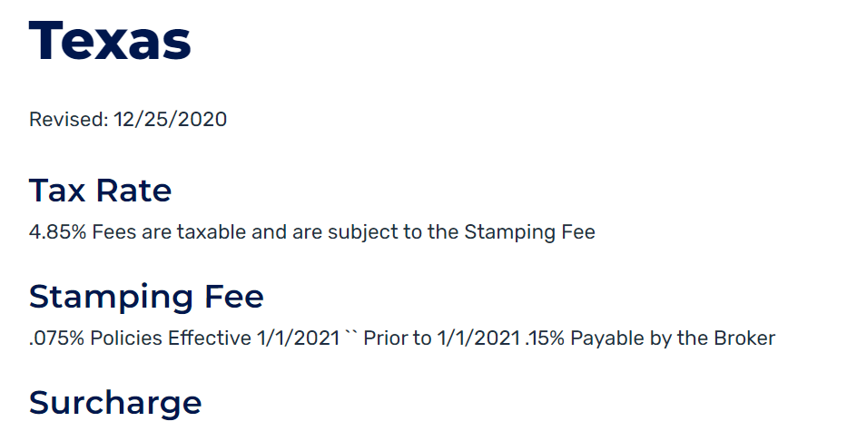

 |  |  |  |  |  |  |  |  |  | Applications Sent
 |  |  |  |  |  |  |  |  |  | Applications Completed
 |  |  |  |  |  |  |  |  |  | Underwriting Submission Sent
 |  |  |  |  |  |  |  |  |  | Quotes Received
 |  |  |  |  |  |  |  |  |  | Bind Order Sent to Insurer
 |  |  |  |  |  |  |  |  |  | Policy Number Received
 |  |  |  |  |  |  |  |  |  | Binder Received
 |  |  |  |  |  |  |  |  |  | Binder Reviewed
 |  |  |  |  |  |  |  |  |  | Policy Received

General Liab.
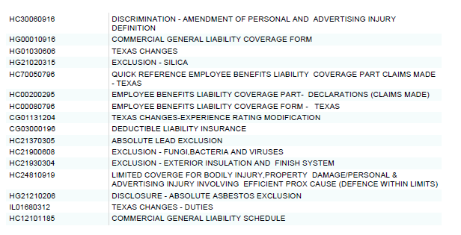
Commercial General Liability - Captive Member Number 800119 |  |  |  |  |  |  | û | Not Covered
 |  |  |  |  |  |  | ü | Covered
Coverages and Limits of Liability | Expiring Program | Renewal Program | Renewal Option |  | Broker Comments | Policy Review Comments
Insurer | REvolution (AIG) | REvolution (AIG) | REvolution (AIG)
Writing Company | National Union Fire Insurance Company of Pittsburgh, PA | 0 | 0
AM Best Rating | A: XV | 0 | 0
Renewal Policy Number | GL 6360582 | TBD | TBD

Renewal Policy Period | 9/1/2022-8/1/2023 | 8/1/2023-8/1/2024 | 8/1/2023-8/1/2024
Policy Limits
Each Occurrence | $2,000,000 | $2,000,000 | $0
Products / Completed Operations Aggregate | $4,000,000 | $4,000,000 | $0
Personal and Advertising Injury | $2,000,000 | Incumbent - Quoted | $0
General Aggregate | $4,000,000 | $4,000,000 | $0
Damage to Premises Rented to You | $500,000 | $500,000 | $0
Medical Payments | $25,000 | Quote Received | $0
Employee Benefits Liability - Each Claim | $1,000,000 | Indication - $250K | $0
Employee Benefits Liability - Aggregate | $1,000,000 | Submitted 6/23 | $0
Policy Deductibles |  | Indication - $250K-$300K
General Liability | $0 | $0 | $0
Employee Benefits Liability (Each Wrongful Act) | $1,000 | $1,000 | $0
Admiral | Writing Company | Incumbent - Quoted
Markel | Insurer | Incumbent - Pending | $113,273 |  | Pro-rated premium was $95,581.
Vantage | Excess Professional Liability (3rd Layer) | Indication - $190K | $0
Policy Fees | $0 | $0 | $0
Total Premium Including Surcharges and Fees | $104,460 | $113,273 | $113,273

Notes
- N/A

Subjectivities
- TRIA Disclosure

Key Terms & Conditions | Expiring Program | Renewal Program | Renewal Option |  | Broker Comments | Policy Review Comments
Admitted or non-admitted coverage? | Admitted | Admitted
Policy Form
General Liability | CG 0001 (04/13) | CG 0001 (04/13)
Employee Benefits Liability | 51767 (04/02) | 51767 (04/02)
Coverage Trigger
General Liability | Occurrence | Occurrence
Employee Benefits Liability | Claims-made | Claims-made
Retroactive Date
Employee Benefits Liability | 2010-09-01 | 2010-09-01 |  |  |  | expiring retro date was 9/1/10; AIG agreed to amend current policy to match; pending receipt of endt
Minimum Earned Premium | None | None
Is policy subject to audit? | Yes | Yes
Terrorism Coverage? | ü | ü
Additional Insured where agreed to in a written contract
Ongoing Operations | ü | ü
Completed Operations | ü | ü
Primary and Non-Contributory | ü | ü
Limited Contractual Liability - Personal & Advertising Injury | ü | ü
Contractual Liability - Railroads | ü | ü
Defense Cost in Addition to Limits of Insurance | ü | ü
Designated Projects - General Aggregate Limit | ü | ü |  |  | Max annual agg of $10M.
Designated Locations - General Aggregate Limit | ü | ü
Excess coverage for Wrap-Ups/OCIPs/CCIPs | û | û |  |  | Let Greyling know if you are enrolled in a project that has a Wrap-Up/OCIP/CCIP.
Notice to Others (Certificate Holders)
Cancellation | 30 Days - Any Reason Other Than Nonpayment of Premium | 30 Days - Any Reason Other Than Nonpayment of Premium
Nonrenewal | û | û
Material Change | û | û
Waiver of Subrogation where required by written contract | ü | ü

Notable Exclusions | Expiring Program | Renewal Program | Renewal Option | _ | Broker Comments | Policy Review Comments
Aircraft | Excluded | Excluded
Asbestos | Excluded | Excluded
Drone (Owned or Non-Owned) | Excluded | Excluded
Employment Related Practices | Excluded | Excluded
Exterior Insulation and Finish System (EIFS) | Excluded | Excluded
Fungus | Excluded | Excluded
Insured vs. Insured (Separation of Insureds) | Not Excluded | Not Excluded
Inter-company Products Suits | Excluded | Excluded
Lead Liability | Excluded | Excluded
Liquor Liability | Excluded | Excluded
Exclusion applies only if you are in the business of manufacturing, distributing, selling, serving or furnishing alcoholic beverages | ü | ü
Pollution | Excluded | Excluded
Building Heating Equipment and Hostile Fire Exceptions | Hostile fire exception only | Hostile fire exception only
Professional Services - Engineers, Architects or Surveyors | Excluded | Excluded
Watercraft | Excluded | Excluded
Owned | Excluded | Excluded
Non-Owned (up to 50 feet) | Not Excluded | Not Excluded

Umbrella Liability
Umbrella Liability |  |  |  |  |  | û | Not Covered
 |  |  |  |  |  | ü | Covered
Coverages and Limits of Liability | Expiring Program | Renewal Program | Renewal Option | Broker Comments | Policy Review Comments
Insurer | AWAC | AWAC | 0
Writing Company | Allied World Assurance Company (U.S.), Inc. | Allied World Assurance Company (U.S.), Inc. | 0
AM Best Rating | A: XV | 0 | 0
Renewal Policy Number | 0313-5205 | TBD | TBD

Renewal Policy Period | 9/1/2022-8/1/2023 | 8/1/2023-8/1/2024 | 8/1/2023-8/1/2024
Each Occurrence Limit | $10,000,000 | $10,000,000 | $0
Annual Aggregate Limit | $10,000,000 | $10,000,000 | $0
Self-Insured Retention | $10,000 | $10,000 | $0
Policy Premium |  | Incumbent - Quoted
Premium | $144,161 | $195,065 | $0 | Pro-Rata premium was $135,851, SL Tax $6,589, Stamping Fee $102, for a Total of $142,542.
Surplus Lines Taxes | $6,992 | $9,461 | $0
Stamping Fee | $108 | Quote Received | $0
Total Premium Including Surcharges and Fees | $151,261 | Indication - $250K | $0
 |  | Submitted 6/23
Schedule of Underlying Insurance |  | Indication - $250K-$300K
Commercial General Liability
Policy Number | GL 6360582 | TBD | TBD
Admiral | Writing Company | Incumbent - Quoted | Incumbent - Quoted
Markel | Insurer | Incumbent - Pending | Incumbent - Pending
Vantage | Excess Professional Liability (3rd Layer) | Indication - $190K | 8/1/2023-8/1/2024
Employee Benefits Liability
Policy Number | GL 6360582 | TBD | TBD
Limits of Liability | $2,000,000 | $2,000,000 | $2,000,000
Insurer | REvolution (AIG) | REvolution (AIG) | REvolution (AIG)
Policy Period | 9/1/2022-8/1/2023 | 8/1/2023-8/1/2024 | 8/1/2023-8/1/2024
Employer's Liability (AOS)
Policy Number | WC 013265763 | TBD | TBD
Limits of Liability | $1,000,000 | $1,000,000 | $1,000,000
Insurer | REvolution (AIG) | REvolution (AIG) | REvolution (AIG)
Policy Period | 9/1/2022-8/1/2023 | 8/1/2023-8/1/2024 | 8/1/2023-8/1/2024
Employer's Liability (CA)
Policy Number | 20CPKDD3655 | TBD | TBD
Limits of Liability | $1,000,000 | $1,000,000 | $1,000,000
Insurer | Hartford | Hartford | REvolution (AIG)
Policy Period | 9/1/2022-8/1/2023 | 8/1/2023-8/1/2024 | 8/1/2023-8/1/2024
Auto Liability
Policy Number | CA 5774680 | TBD | TBD
Limits of Liability | $2,000,000 | $2,000,000 | $2,000,000
Insurer | REvolution (AIG) | REvolution (AIG) | REvolution (AIG)
Policy Period | 9/1/2022-8/1/2023 | 8/1/2023-8/1/2024 | 8/1/2023-8/1/2024
Foreign General Liability
Policy Number | 20CPKDD3655 | TBD | TBD
Limits of Liability | $1,000,000 | $1,000,000 | $1,000,000
Insurer | Hartford | Hartford | Hartford
Policy Period | 9/1/2022-8/1/2023 | 8/1/2023-8/1/2024 | 8/1/2023-8/1/2024
Foreign Employee Benefits Liability
Policy Number | 20CPKDD3655 | TBD | TBD
Limits of Liability | $1,000,000 | $1,000,000 | $1,000,000
Insurer | Hartford | Hartford | Hartford
Policy Period | 9/1/2022-8/1/2023 | 8/1/2023-8/1/2024 | 8/1/2023-8/1/2024
Foreign Employer's Liability
Policy Number | 20CPKDD3655 | TBD | TBD
Limits of Liability | $1,000,000 | $1,000,000 | $1,000,000
Insurer | Hartford | Hartford | Hartford
Policy Period | 9/1/2022-8/1/2023 | 8/1/2023-8/1/2024 | 8/1/2023-8/1/2024
Foreign Auto Liability
Policy Number | 20CPKDD3655 | TBD | TBD
Limits of Liability | $1,000,000 | $1,000,000 | $1,000,000
Insurer | Hartford | Hartford | Hartford
Policy Period | 9/1/2022-8/1/2023 | 8/1/2023-8/1/2024 | 8/1/2023-8/1/2024
Aircraft (Drone) Liability
Policy Number | 9000886 | TBD | TBD
Limits of Liability | $5,000,000 | $5,000,000 | $5,000,000
Insurer | Global Aerospace | Global Aerospace | Global Aerospace
Policy Period | 9/1/2022-8/1/2023 | 8/1/2023-8/1/2024 | 8/1/2023-8/1/2024

Notes
- N/A

Subjectivities
- Completed and Signed TRIA Disclosure Statement - Insured or Risk Manager Contact Information (name, phone and email address) - Carl Shaw 713-953-5110 carlshaw@lja.com (need to confirm still correct) - Copies of all underlying binders, including policy numbers - sent to Insurer - Copies of all underlying quotes - sent to insurer - Copy of insured's written fleet safety/maintenance program - sent to insurer - Receipt/review of 2019-2022 auto loss runs - Status update of oepn GL claim (7/9/2020) - List of drivers, DOB, and license numbers - Surplus Lines Form - Copies of all underlying policies

Key Terms & Conditions | Expiring Program | Renewal Program | Renewal Option | Broker Comments | Policy Review Comments
Admitted or non-admitted coverage? | non-admitted | non-admitted
Policy Form | ENV-UMB 00003 00 (02/12) | ENV-UMB 00003 00 (02/12)
Coverage Trigger | occurrence | occurrence
Minimum Earned Premium | 25% | 25%
Is policy subject to audit? | no | no
Terrorism Coverage? | ü | ü
Follow form? | ü | ü
Umbrella? | ü | ü

Notable Exclusions | Expiring Program | Renewal Program | Renewal Option | Broker Comments | Policy Review Comments
As per underlying policies | ü | ü

23-24 Endorsements shown below; confirmed they match expiring except highlighted below
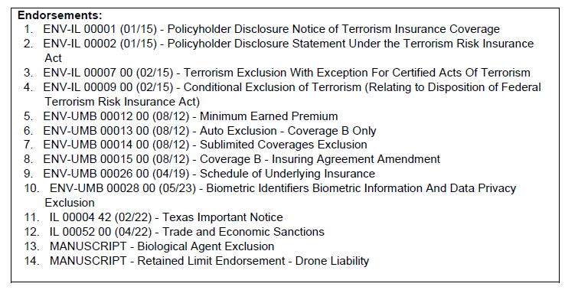

 |  |  | Biometric Identifiers Exclusion is new in 23-24
 |  |  | Trade and Economic Sanctions new in 23-24

Property
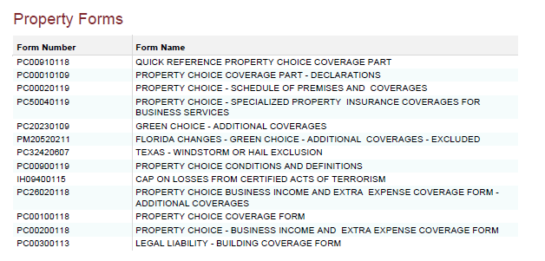
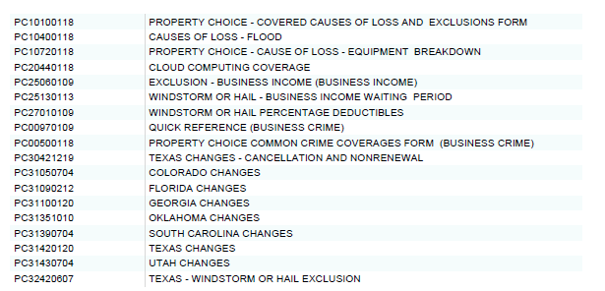
Property |  |  |  |  |  |  | û | Not Covered
 |  |  |  |  |  |  | ü | Covered
Coverages and Limits of Liability | Expiring Program | Renewal Program | Renewal Option |  | Broker Comments | Policy Review Comments
Insurer | Hartford | 0 | 0
Writing Company | Hartford Fire Insurance Company | 0 | 0
AM Best Rating | A+: XV | 0 | 0
Renewal Policy Number | 20 UUN OZ0035 | TBD | TBD

Renewal Policy Period | 9/1/2022-8/1/2023 | 8/1/2023-8/1/2024 | 8/1/2023-8/1/2024
Policy Limits
Building (Scheduled) | $0 | $1,625,000 | $1,625,000
Business Personal Property (Blanket) | $5,812,500 | $6,340,000 | $6,340,000
Business Income & Extra Expense (Blanket) | $3,314,000 | Incumbent - Quoted | $3,355,000
Valuable Papers | $25,000 | $25,000 | $0
Accounts Receivable | $250,000 | $250,000 | $0
Utility Service Interruption | $25,000 | Quote Received | $0
Civil Authority | 30 days | Indication - $250K | $0
Ingress / Egress | 30 days | Submitted 6/23 | $0
Ordinance or Law | $1,000,000 | Indication - $250K-$300K | $0
Newly Acquired Building (180 days to report) | $2,000,000 | $2,000,000 | $0
Newly Acquired Business Personal Property (180 days to report) | $1,000,000 | $1,000,000 | $0
Admiral | Writing Company | Incumbent - Quoted | $0
Markel | Insurer | Incumbent - Pending | $0
Vantage | Excess Professional Liability (3rd Layer) | Indication - $190K | $0
Fine Arts | $250,000 | $250,000 | $0
Flood (Aggregate) | $2,000,000 | $2,000,000 | $0
Earthquake (Aggregate) | Not Covered | Not Covered | $0
Windstorm | Varies by Location | Varies by Location | $0
Policy Deductibles
All Other Perils | $5,000 | $5,000 | $0
Flood | Varies by Location | Varies by Location | $0
Earthquake | N/A | N/A | $0
Windstorm | Varies by Location | Varies by Location | $0
Policy Waiting Periods
Business Income | 72 hours | 72 hours | 0
Civil Authority | 72 hours | 72 hours | 0
Ingress / Egress | 24 hours | 24 hours | 0
Flood | 0 hours | 0 hours | 0
Windstorm | 72 hours | 72 hours | 0
Service Interruption - Time Element | 24 hours | 24 hours | 0
Policy Premium
Premium | $43,147 | $0 | $0 |  | Pro-rated premium was $37,440.
Surcharges | $3 | $0.00 | $0
Policy Fees | $0 | $0 | $0
Total Premium Including Surcharges and Fees | $43,150 | $0.00 | $0

Notes
- Advise Greyling should you want us to obtain a quote for Earthquake coverage.

Subjectivities
- Add Location 555 Winderly Place, Maitland, FL 32751 with $2,500 BPP values at binding - confirmed this location is on the policy - Remove TX Wind/Hail Exclusion form PC3242 06/07 from policy - Hartford - Completed

Key Terms & Conditions | Expiring Program | Renewal Program | Renewal Option |  | Broker Comments | Policy Review Comments
Admitted or non-admitted coverage? | Admitted | Admitted
Policy Form | PC 00 10 (01/18) | PC 00 10 (01/18)
Coverage Trigger | Occurrence | Occurrence
Minimum Earned Premium | None | None
Is policy subject to audit? | No | No
Terrorism Coverage? | ü | ü
Valuation
Direct Damage (replacement cost vs. actual cash value vs. agreed value) | Replacement Cost | Replacement Cost
Time Element - Business Income | Actual Loss Sustained; however, the most the Insurer will pay is the lessor of the actual loss sustained or the limit of insurance whichever is less | Actual Loss Sustained; however, the most the Insurer will pay is the lessor of the actual loss sustained or the limit of insurance whichever is less
Coinsurance provision? | N/A | N/A
Occurrence Limit of Liability? | not on policy | not on policy
Protective Safeguards? | no | no
Earth Movement Sprinkler Leakage Coverage? | û | û
Loss Payee where required by written contract | û | û |  |  | Must be named in the policy; please let us know if you have any so we can advise Hartford to schedule them on the policy
Notice to Others (Certificate Holders)
Cancellation | û | û
Nonrenewal | û | û
Material Change | û | û
Waiver of Subrogation where required by written contract | ü | ü |  |  |  | page 83

Notable Exclusions | Expiring Program | Renewal Program | Renewal Option | _ | Broker Comments | Policy Review Comments
Microorganism (Virus, Bacteria, Pathogen) | Excluded | Excluded
Nuclear, Biological, Chemical & Radiological Hazards | Excluded | Excluded
Pollution | Excluded | Excluded

IM
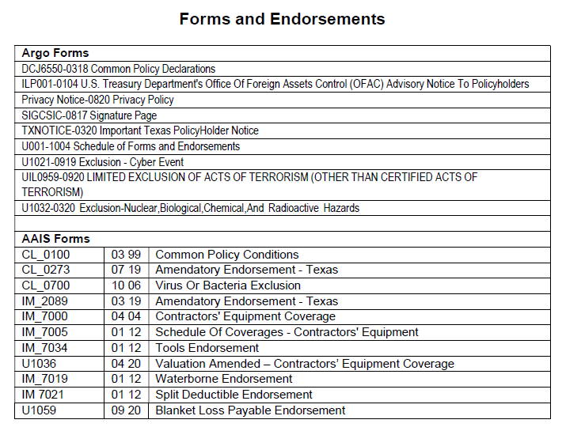
Inland Marine |  |  |  |  | û | Not Covered
 |  |  |  |  | ü | Covered
Coverages and Limits of Liability | Expiring Program | Renewal Program | Broker Comments | Policy Review Comments
Insurer | Argo | Argo
Writing Company | Colony Specialty Insurance Company | Colony Specialty Insurance Company
AM Best Rating | A-: XIV | A-:XII
Renewal Policy Number | IM257301‐0 | TBD

Renewal Policy Period | 9/1/2022-8/1/2023 | 8/1/2023-8/1/2024
Limits
Scheduled Equipment | $4,744,985 | $5,401,323
Unscheduled Equipment - Max Per Occurrence | $250,000 | $250,000
Unscheduled Equipment - Max Per Item | $5,000 | $15,000
Leased or Rented Equipment - Max Per Occurrence | $1,000,000 | $1,000,000
Leased or Rented Equipment - Max Per Item | $750,000 | $750,000
Waterborne Equipment | $25,000 | $25,000
Deductibles
All Other | $5,000 | $5,000
Theft | $15,000 | $15,000
Policy Premium
Premium | $31,190 | $37,094 | Pro-rated premium was $.
Surcharges | $0 | $0
Policy Fees | $0 | $0
Total Premium Including Surcharges and Fees | $31,190 | $37,094

Notes
- N/A

Subjectivities
- N/A

Key Terms & Conditions | Expiring Program | Renewal Program | Broker Comments | Policy Review Comments
Admitted or non-admitted coverage? | Admitted | Admitted
Minimum Earned Premium | $9,000 | $9,000
Is policy subject to audit? | yes | yes
Rate
Leased, Rented, or Borrowed Equipment
Rate per $100 of rental expenditures | 1.50 | 1.73
Terrorism Coverage? | ü | ü | LJA accepted (premium is $1359, which is included in the premium above)
Notice to Others (Certificate Holders)
Cancellation | û | û
Nonrenewal | û | û
Material Change | û | û
Policy Form | IM7000 (04/04) | IM7000 (04/04)
Coverage Trigger | occurrence | occurrence
Valuation (replacement cost vs. actual cash value) | Replacement Cost within 5 years or newer; Actual Cash Value after 5 years | Replacement Cost within 5 years or newer; Actual Cash Value after 5 years
Coinsurance provision? | 80% | 80%
Waiver of Subrogation where required by written contract | û | û
Loss Payee where required by written contract | ü | ü

Notable Exclusions | Expiring Program | Renewal Program | Broker Comments | Policy Review Comments
Cyber Event | Excluded | Excluded
Nuclear, Biological, Xhemical and Radioactive Hazards | Excluded | Excluded
Virus or Bacteria | Excluded | Excluded

Endorsements | Expiring Program | Renewal Program | Broker Comments | Policy Review Comments

23-24 Forms shown below; confirmed they match expiring

Watercraft
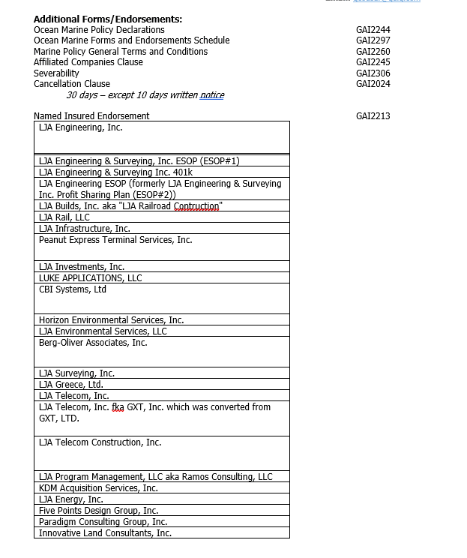
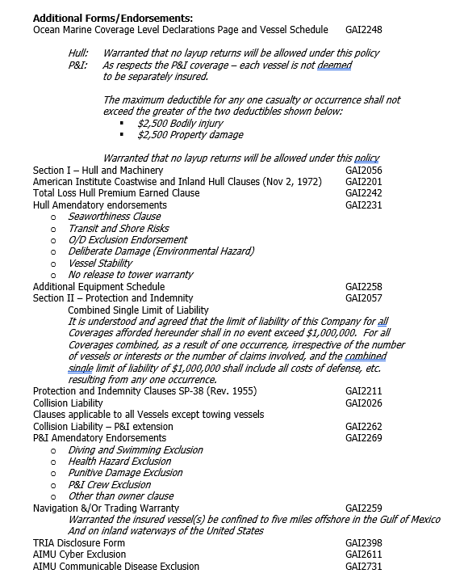
Hull & Protection and Indemnity (Watercraft Liability) |  |  |  |  |  |  | û | Not Covered
 |  |  |  |  |  |  | ü | Covered
Coverages and Limits of Liability | Expiring Program | Renewal Program | Renewal Option |  | Broker Comments | Policy Review Comments
Insurer | Great American | Great American | 0
Writing Company | Great American Insurance Company | Great American Insurance Company | 0
AM Best Rating | A+: XV | 0 | 0
Renewal Policy Number | OMH 3919604 07 | TBD | TBD

Renewal Policy Period | 9/1/2022-8/1/2023 | 8/1/2023-8/1/2024 | 8/1/2023-8/1/2024
Policy Limits
Hull and Machinery | Agreed Value | Agreed Value | $0
Protection and Indemnity | $1,000,000 | $1,000,000 | $0
Policy Deductibles |  | Incumbent - Quoted
Hull and Machinery | Varies ($250,$500, $1,000 or $7,500) | Varies ($250,$500, $1,000 or $7,500) | $0 |  |  | 2022 Scully Boat ded is $7,500
Protection and Indemnity | $2,500 | $2,500 | $0
Policy Premium |  | Quote Received
Premium | $16,785 | Indication - $250K | $0 |  | Pro-rated premium was $15,358.
Taxes & Assessments | $0 | Submitted 6/23 | $0
Policy Fee | $0 | Indication - $250K-$300K | $0
Total Premium Including Taxes and Fees | $16,785 | $18,467 | $0

Admiral
Markel | Insurer | Incumbent - Pending
Vantage | Excess Professional Liability (3rd Layer) | Indication - $190K
Watercraft Make / Model | Watercraft Value | Watercraft Value
2000 Aluminum Workboat (Alumacraft) |  | $2,000
2006 Aluminum Workboat (Alumacraft) |  | $15,500
2008 Aluminum Workboat (Alumacraft) |  | $15,500
2009 Aluminum Pontoon Boat (Sundancer Pontoon) |  | $23,000
2016 Aluminum Workboat (Alumacraft) |  | $6,500
2019 Aluminum Workboat (Alumacraft 1032) |  | $5,500 | need to update for 23-24
2019 Aluminum Workboat (Zodiac) |  | $23,000
2020 Aluminum Workboat (Weldcraft) |  | $16,000
2022 Scully Boat (Yamaha) |  | $99,572

- Please notify Greyling immediately if a new watercraft is purchased
- 3 boat trailers are included for Physical Damage coverage only.

Subjectivities
- Signed & dated Watercraft applications - Sent to Insurer - Provide pictures of each vessel and equipment that is new to the schedule within 30 days of binding - sent to insurer on 10/5/22.

Key Terms & Conditions | Expiring Program | Renewal Program | Renewal Option |  | Broker Comments | Policy Review Comments
Admitted or non-admitted coverage? | Admitted | Admitted
Policy Form | GAI 2201 (01/01) & GAI 2211 (10/02) | GAI 2201 (01/01) & GAI 2211 (10/02) |  |  |  | at renewal request to have named insured schedule removed since BFNI is on policy
Coverage Trigger | occurrence | occurrence
Minimum Earned Premium | none | none
Is policy subject to audit? | no | no
Non-Stacking of Limits (Hull and P&I limits separate) | û | û |  |  |  | WITH REGARDS TO THE PROTECTION & INDEMNITY DEDUCTIBLES LISTED BELOW, THE MAXIMUM DEDUCTIBLE FOR ANY ONE CASUALTY OR OCCURRENCE SHALL NOT EXCEED THE GREATER OF THE TWO DEDUCTIBLE AMOUNTS SHOWN BELOW.

Notable Exclusions | Expiring Program | Renewal Program | Renewal Option | _ | Broker Comments | Policy Review Comments
Crew | Excluded | Excluded
Diving, Snorkeling or Swimming Activities | Excluded | Excluded
Pollution | Excluded | Excluded
Chemical, Biological, Biochemical and Electronic Hazards | Excluded | Excluded
Nuclear Hazards | Excluded | Excluded
Punitive Damages | Excluded | Excluded

23-24 Forms shown below; confirmed all match per expiring

Drone
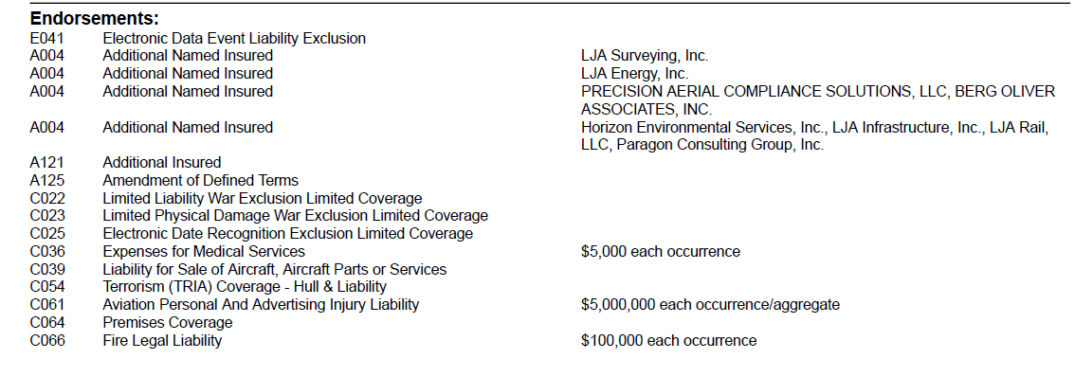
Aircraft (Drone) Liability |  |  |  |  |  |  | û | Not Covered
 |  |  |  |  |  |  | ü | Covered
Coverages and Limits of Liability | Expiring Program | Renewal Program |  | Renewal Option | Broker Comments | Policy Review Comments
Insurer | Global Aerospace | Global Aerospace |  | 0
Writing Company | American Alternative Insurance Corporation - 59.24%; American Commerce Insurance Company - 10%; National Indemnity Company - 18.39%; Tokio Marine America Insurance Company - 12.37% | American Alternative Insurance Corporation - 59.24%; American Commerce Insurance Company - 10%; National Indemnity Company - 18.39%; Tokio Marine America Insurance Company - 12.37% |  | 0
AM Best Rating | A+: XV | 0 |  | 0
Renewal Policy Number | 9000886 | TBD |  | TBD

Renewal Policy Period | 9/1/2022-8/1/2023 | 8/1/2023-8/1/2024 |  | 8/1/2023-8/1/2024
Liability
Policy Limits | $5,000,000 | $5,000,000 |  | $0
Deductible | $0 | $0 |  | $0
Physical Damage |  | Incumbent - Quoted
Policy Limits | Insured Value | Insured Value |  | $0
Deductible | 5% of value for hull 10% of value for payload | 5% of value for hull 10% of value for payload |  | $0
Policy Premium |  | Quote Received
Premium | $80,773 | Indication - $250K |  | $0 | Pro-rated premium was $73,907.
Taxes & Assessments | $0 | Submitted 6/23 |  | $0
Policy Fee | $0 | Indication - $250K-$300K |  | $0
Total Premium Including Taxes and Fees | $80,773 | $83,308 |  | $0

Admiral
Markel
Vantage | Excess Professional Liability (3rd Layer) | Indication - $190K
Drone Make / Model | Drone Value | Serial Number
2022 Mavic 3 | $3,300 | 1581F45TB219P00D002X
2019 DJI INNOVATIONS MAVIC 2 PRO | $2,200 | 163DFAV001220S
DJI Mavic 2 Pro with Fly More Bundle L1P | $2,200 | 163DG6P / 0017JJ2
2017 DJI INNOVATIONS MATRICE 600 PRO | $7,000 | M64DDG08010035 / FA3L4XNXKF
2021 DJI INNOVATIONS MAVIC AIR 2 | $3,500 | 3N3BHAD01207FQ/1VRBHAD001013Q
2020 DJI INNOVATIONS MAVIC 2 PRO | $4,300 | 163CG8ER0A0TJD / FA3WLEHNN3
WINGTRA WINGTRA ONE | $35,000 | 1685 / FA33EXLKCH
DJI Mavic 2 | $2,500 | 163CH8FR0A37EK
2022 DJI Mavic Pro 2 | $2,500 | 163CHCER0A6KH3
2021 DJI M600 Pro | $12,000 | M80DHB3R03XWN6
2023 Wingtra One Gen II | $35,058 |  | need serial number for binding

UAS Payload Make and Model | Value | Serial Number
Phoenix Mini-Ranger | $20,000 | 22655
Phoenix Mini-Ranger | $20,000 | 22654
Phoenix Ranger | $20,000 | 22726
Riegl VUX-1UAV LiDAR | $200,000 | S2223947
Riegl miniVUX-1UAV LiDAR | $125,000 | S2222824
Riegl miniVUX-1UAV LiDAR | $125,000 | S2222832

- Please notify Greyling immediately if a new drone is purchased

Subjectivities
- N/A

Key Terms & Conditions | Expiring Program | Renewal Program |  | Renewal Option | Broker Comments | Policy Review Comments
Admitted or non-admitted coverage? | Admitted | Admitted
Policy Form | UAS (11/15/2018) | UAS (11/15/2018)
Coverage Trigger | Occurrence | Occurrence
Minimum Earned Premium | 0% | 0%
Is policy subject to audit? | No | No
Terrorism Coverage? | ü | ü
Cap of Losses from Certified Acts of Terrorism | ü | ü

23-24 Endorsements below; confirmed all are same as expiring:

Final Page


Phone: | (877) 908-5619

Fax: | (866) 550-4082

Email: | info@greyling.com

Disclaimer: This report is not a legal contract. The coverage summaries are intended to provide a brief overview of the terms, conditions, limits, and premiums of the insurance coverages described. The information in this report may not be used in adjusting or adjudicating any loss. This report does not grant or bind coverage and is not intended to serve as evidence of coverage in place. It is meant solely to provide you with a brief synopsis. For detailed and accurate information about the coverages provided, you must read the actual policies. The coverages we have placed for you are based on our understanding of your operations. We rely on you to provide us with the necessary information to provide appropriate policies and coverages. It is your responsibility to advise us of your operations, including any changes, such as (but not limited to) operations in new states, new services provided to your clients, new vehicles or equipment, and new property locations.

